FORECAST
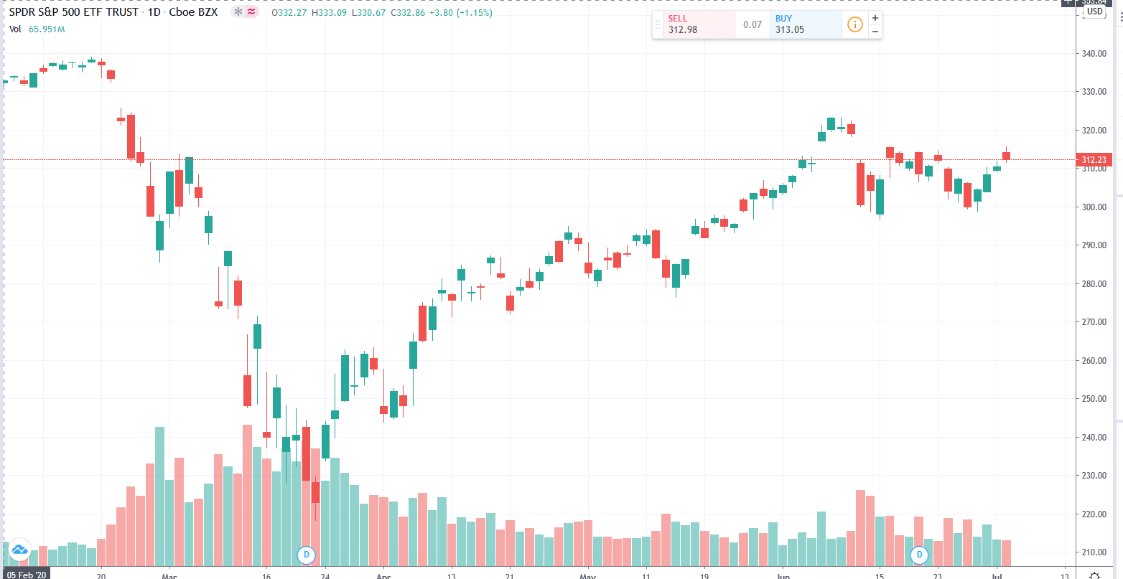

PROBABILITIES
Crypto
 | PRICE | MA1 | MA 2 | PRICE | MA1 | MA 2
1/1/13 | 100.00 | 104.89 | 102.89 | 100.00 | 104.89 | 102.89
1/2/13 | 99.44 | 104.79 | 102.76 | 99.44 | 104.79 | 102.76
1/3/13 | 99.83 | 104.69 | 102.62 | 99.83 | 104.69 | 102.62
1/4/13 | 98.89 | 104.58 | 102.49 | 98.89 | 104.58 | 102.49
1/5/13 | 98.86 | 104.48 | 102.36 | 98.86 | 104.48 | 102.36
1/6/13 | 97.19 | 104.35 | 102.22 | 97.19 | 104.35 | 102.22
1/7/13 | 96.80 | 104.22 | 102.08 | 96.80 | 104.22 | 102.08
1/8/13 | 96.92 | 104.08 | 101.91 | 96.92 | 104.08 | 101.91
1/9/13 | 95.77 | 103.91 | 101.72 | 95.77 | 103.91 | 101.72
1/10/13 | 95.88 | 103.74 | 101.56 | 95.88 | 103.74 | 101.56
1/11/13 | 95.76 | 103.58 | 101.40 | 95.76 | 103.58 | 101.40
1/12/13 | 94.83 | 103.40 | 101.21 | 94.83 | 103.40 | 101.21
1/13/13 | 94.78 | 103.22 | 101.03 | 94.78 | 103.22 | 101.03
1/14/13 | 94.65 | 103.04 | 100.85 | 94.65 | 103.04 | 100.85
1/15/13 | 94.27 | 102.86 | 100.66 | 94.27 | 102.86 | 100.66
1/16/13 | 93.05 | 102.67 | 100.45 | 93.05 | 102.67 | 100.45
1/17/13 | 93.99 | 102.50 | 100.23 | 93.99 | 102.50 | 100.23
1/18/13 | 94.94 | 102.33 | 100.00 | 94.94 | 102.33 | 100.00
1/19/13 | 94.15 | 102.15 | 99.75 | 94.15 | 102.15 | 99.75
1/20/13 | 93.78 | 101.95 | 99.51 | 93.78 | 101.95 | 99.51
1/21/13 | 94.46 | 101.76 | 99.29 | 94.46 | 101.76 | 99.29
1/22/13 | 92.63 | 101.56 | 99.05 | 92.63 | 101.56 | 99.05
1/23/13 | 92.57 | 101.36 | 98.79 | 92.57 | 101.36 | 98.79
1/24/13 | 94.10 | 101.20 | 98.56 | 94.10 | 101.20 | 98.56
1/25/13 | 93.24 | 101.05 | 98.32 | 93.24 | 101.05 | 98.32
1/26/13 | 93.49 | 100.89 | 98.08 | 93.49 | 100.89 | 98.08
1/27/13 | 93.68 | 100.72 | 97.85 | 93.68 | 100.72 | 97.85
1/28/13 | 94.22 | 100.58 | 97.65 | 94.22 | 100.58 | 97.65
1/29/13 | 94.91 | 100.44 | 97.44 | 94.91 | 100.44 | 97.44
1/30/13 | 95.41 | 100.31 | 97.25 | 95.41 | 100.31 | 97.25
1/31/13 | 96.60 | 100.21 | 97.09 | 96.60 | 100.21 | 97.09
2/1/13 | 97.29 | 100.08 | 96.94 | 97.29 | 100.08 | 96.94
2/2/13 | 95.69 | 99.94 | 96.79 | 95.69 | 99.94 | 96.79
2/3/13 | 97.34 | 99.83 | 96.69 | 97.34 | 99.83 | 96.69
2/4/13 | 98.10 | 99.73 | 96.60 | 98.10 | 99.73 | 96.60
2/5/13 | 96.79 | 99.61 | 96.54 | 96.79 | 99.61 | 96.54
2/6/13 | 95.95 | 99.49 | 96.46 | 95.95 | 99.49 | 96.46
2/7/13 | 95.44 | 99.36 | 96.38 | 95.44 | 99.36 | 96.38
2/8/13 | 94.52 | 99.22 | 96.29 | 94.52 | 99.22 | 96.29
2/9/13 | 94.07 | 99.07 | 96.20 | 94.07 | 99.07 | 96.20
2/10/13 | 94.26 | 98.91 | 96.12 | 94.26 | 98.91 | 96.12
2/11/13 | 94.68 | 98.73 | 96.08 | 94.68 | 98.73 | 96.08
2/12/13 | 94.96 | 98.56 | 96.03 | 94.96 | 98.56 | 96.03
2/13/13 | 95.49 | 98.40 | 95.98 | 95.49 | 98.40 | 95.98
2/14/13 | 95.70 | 98.24 | 95.94 | 95.70 | 98.24 | 95.94
2/15/13 | 94.41 | 98.08 | 95.86 | 94.41 | 98.08 | 95.86
2/16/13 | 96.08 | 97.92 | 95.80 | 96.08 | 97.92 | 95.80
2/17/13 | 95.85 | 97.76 | 95.76 | 95.85 | 97.76 | 95.76
2/18/13 | 93.91 | 97.59 | 95.70 | 93.91 | 97.59 | 95.70
2/19/13 | 93.23 | 97.41 | 95.61 | 93.23 | 97.41 | 95.61
...
Probability we double our money before we lose it when odds are against us?

STARTING CAPITAL | 100 | 1.83%

PROBABILITY OF SUCCESS | 49%

PROBABILITY OF LOSING | 51%

Probability of reaching our Target capital

STARTING CAPITAL (n) | 100 | 98.20%

TARGET CAPITAL (T) | 200

PROBABILITY OF SUCCESS (p) | 51%

 | VOLUME
1/1/13 | 2,147,783,518
1/2/13 | 701,159,645
1/3/13 | 4,839,823,454
1/4/13 | 6,333,586,480
1/5/13 | 4,475,867,613
1/6/13 | 794,892,989
1/7/13 | 4,659,394,374
1/8/13 | 3,177,875,732
1/9/13 | 8,847,609,366
1/10/13 | 1,412,033,289
1/11/13 | 7,654,245,823
1/12/13 | 2,899,316,239
1/13/13 | 6,416,523,552
1/14/13 | 302,939,478
1/15/13 | 7,955,229,032
1/16/13 | 8,502,698,897
1/17/13 | 7,738,727,592
1/18/13 | 5,619,329,991
1/19/13 | 8,686,508,745
1/20/13 | 6,876,246,409
1/21/13 | 5,671,317,837
1/22/13 | 1,306,470,752
1/23/13 | 5,325,016,592
1/24/13 | 7,003,636,251
1/25/13 | 3,865,005,405
1/26/13 | 6,186,202,663
1/27/13 | 3,545,863,830
1/28/13 | 6,252,487,481
1/29/13 | 4,987,759,162
1/30/13 | 1,273,847,876
1/31/13 | 4,364,404,410
2/1/13 | 1,741,099,646
2/2/13 | 6,109,774,370
2/3/13 | 9,443,911,951
2/4/13 | 2,328,673,172
2/5/13 | 3,594,782,847
2/6/13 | 4,917,153,185
2/7/13 | 6,727,259,877
2/8/13 | 4,686,633,844
2/9/13 | 9,676,842,592
2/10/13 | 1,398,226,750
2/11/13 | 693,058,049
2/12/13 | 2,214,460,304
2/13/13 | 2,419,461,782
2/14/13 | 4,431,802,361
2/15/13 | 7,553,101,085
2/16/13 | 896,453,717
2/17/13 | 3,681,151,968
2/18/13 | 3,108,024,304
2/19/13 | 1,910,742,196
...
PROBABILITY OF LOSING (p) | 49%

